Charts & Visuals
Budget Dashboard |  |  |  | Category | Amount | Category | Month | Net Income
 |  |  |  | Personnel | $0 | Personnel | Jan | $0
TOTAL INCOME (YTD) | TOTAL EXPENSES (YTD) | NET INCOME (YTD) | CASH RESERVES | Operating | $0 | Operating | Feb | $0
$0 | $0 | $0 |  |  |  |  | Mar | $0
 |  | Surplus/Deficit | Current Balance |  |  |  | Apr | $0
 |  |  |  |  |  |  | May | $0
 |  |  |  |  |  |  | Jun | $0
Expenses: Personnel vs Operating
 |  |  |  |  |  |  | Jul | $0
 |  |  |  |  |  |  | Aug | $0
 |  |  |  |  |  |  | Sep | $0
 |  |  |  |  |  |  | Oct | $0
 |  |  |  |  |  |  | Nov | $0
 |  |  |  |  |  |  | Dec | $0

Monthly Net Income Trend
Net Income vs. Month

These charts update automatically as you enter data in other sheets.

Sample Charts & Visuals
Budget Dashboard |  |  |  | Category | Amount | Category | Month | Net Income
 |  |  |  | Personnel | $1,070,000 | Personnel | Jan | $26,168
TOTAL INCOME (YTD) | TOTAL EXPENSES (YTD) | NET INCOME (YTD) | CASH RESERVES | Operating | $271,000 | Operating | Feb | $18,001
$1,823,167 | $1,340,988 | $482,179 | $350,000 |  |  |  | Mar | $37,501
2.3% | 0.0% | Surplus/Deficit | Current Balance |  |  |  | Apr | $39,501
 |  |  |  |  |  |  | May | $35,501
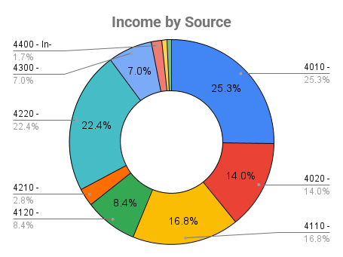
 |  |  |  |  |  |  | Jun | $12,501
Expenses: Personnel vs Operating
 |  |  |  |  |  |  | Jul | $12,501
 |  |  |  |  |  |  | Aug | $9,001
 |  |  |  |  |  |  | Sep | $42,001
 |  |  |  |  |  |  | Oct | $44,001
 |  |  |  |  |  |  | Nov | $90,501
 |  |  |  |  |  |  | Dec | $115,001

Monthly Net Income Trend
Net Income vs. Month

These charts update automatically as you enter data in other sheets.

